Terms
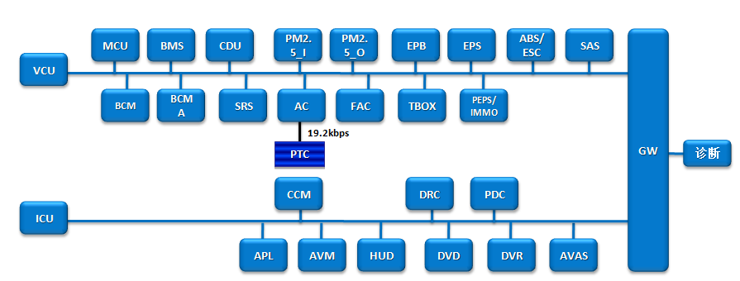
Terms |  |  | Description
VCU | : | Vehicle Control Unit
MCU | : | Motor Controller Unit
EPS | : | Electric Power Steering
EPB | : | Electrical Park Brake
PEPS | : | Passive Entry Passive Start
ICU | : | Instrument Cluster Unit
BCM | : | Body Control Module
ABS | : | Anti-Lock Braking System
ESP | : | Electronic Stability Program
PDC | : | Parking Distance Control
SRS | : | Supplemental Restraint System
AVM | : | Around View Monitor
LDWS | : | Line Departure Warning system
HUD | : | Head Up Display
PM25 | : | Particulate matter 2.5
AC | : | Air conditioner
DVD | : | Digital Video Disk
TPMS | : | Tire Pressure Monitor System
IMMO | : | Immobilizer |  | Note:VCU,ICU are terminals in CAN bus.
SAS | : | Steering Angle Sensor |  | 《CAN Hardware Design Specification》
DRC | : | Dynamic Rear Camera |  | The CAN bus’s terminal must terminate by the appropriate terminal resistance to prevent signal reflection
T-BOX | : | Telematics Box |  | The terminal resistor’s range of this network is 100 Ω~130 Ω (recommended value is 120 Ω)
OBC | : | On Board Charger
CCM | : | compressor control module
PTC | : | Positive Temperature Coefficient
OBC | : | On Board Charger
RDM | : | Rear Door Module
DVR | : | Driver View Record
AVAS | : | Acoustic Vehicle Alerting System
CDU | : | High-Frequency Conversion&HV-DC Distribution Unit

